Scatter Plot
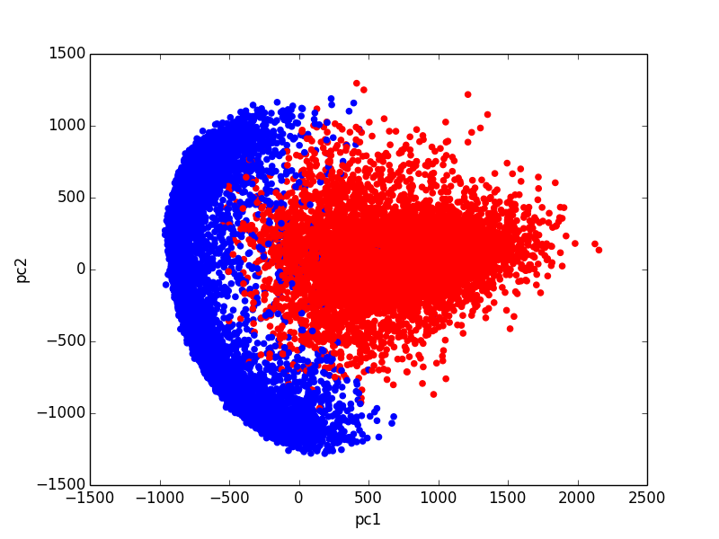

Notice scatter plot and histogram's X,Y axisis are different
Historgram is using pc1 as row index, which is vertical axis.
Historgram is using pc2 as col index, which is horizontal axis.

